Transmission (Wave)
ZEMAX "Transmission Fan" Results |  |  | 2016-02-29
Used custom designed AR coating for glass and ZnSe |  |  |  |  | Improved T_ar to |  | 0.995
Need to factor in polarizer and its AR coating

Wavelength (um) | 0.45 | 0.5 | 0.55 | 0.6 | 0.65 | 0.7 | 0.75 | 0.8 | 0.85 | 0.9 | 0.95
Wavelength (nm) | 450 | 500 | 550 | 600 | 650 | 700 | 750 | 800 | 850 | 900 | 950

HLC_Img
Transmission | 0.26 | 0.45 | 0.51 | 0.53 | 0.53 | 0.50 | 0.49 | 0.46 | 0.44 | 0.44 | 0.45
HLC w/o Pol | 0.13 | 0.22 | 0.25 | 0.26 | 0.26 | 0.25 | 0.24 | 0.23 | 0.22 | 0.22 | 0.22

SPC_Img
Transmission | 0.25 | 0.42 | 0.47 | 0.49 | 0.48 | 0.45 | 0.43 | 0.40 | 0.38 | 0.40 | 0.42
SPC w/o Pol | 0.12 | 0.20 | 0.23 | 0.23 | 0.23 | 0.22 | 0.21 | 0.19 | 0.18 | 0.19 | 0.20

SPC_IFS
Transmission |  |  |  | 0.39 | 0.38 | 0.35 | 0.34 | 0.33 | 0.32 | 0.33 | 0.32

WFIRST CGI (Cycle 6) Optical Transmission
WFIRST CGI (Cycle 6) Optical Transmission

Design
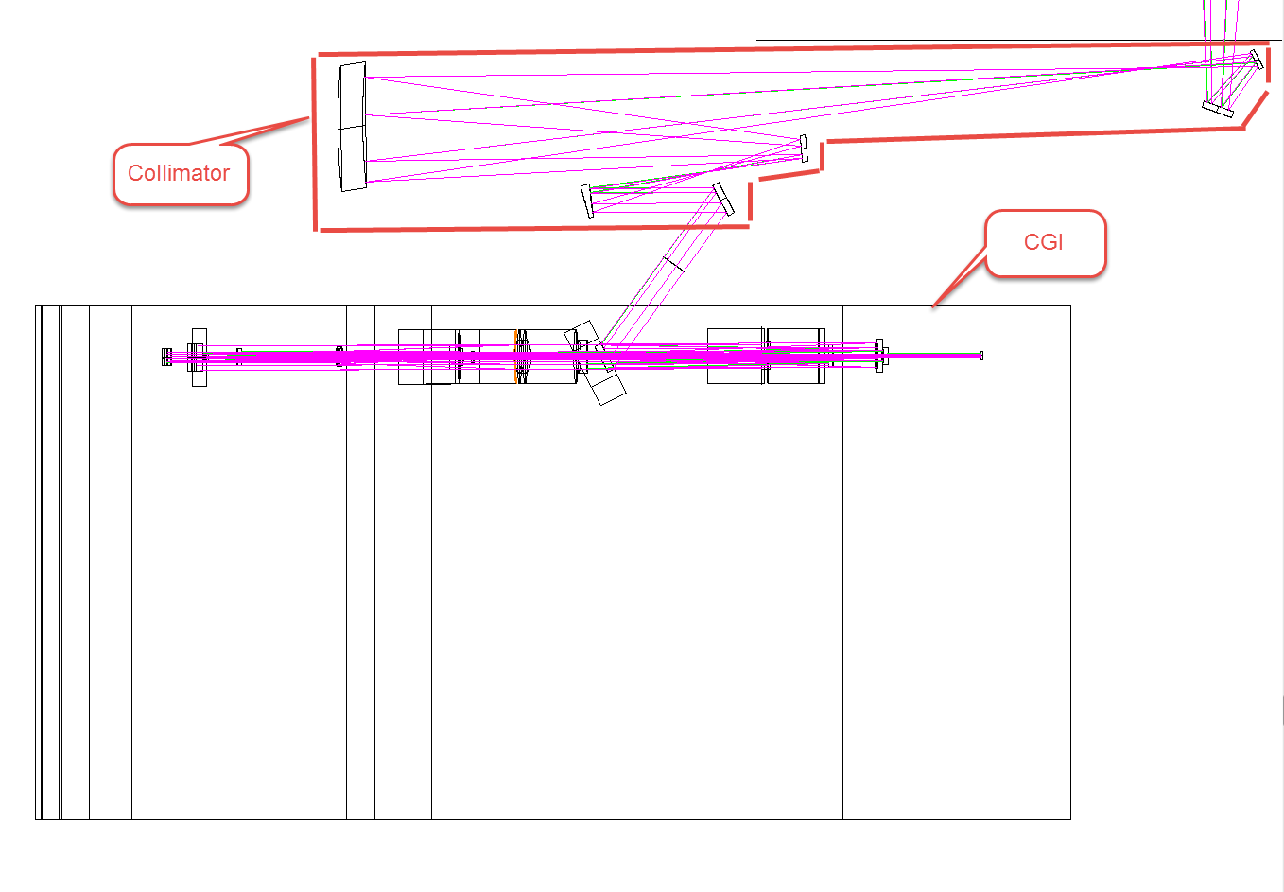
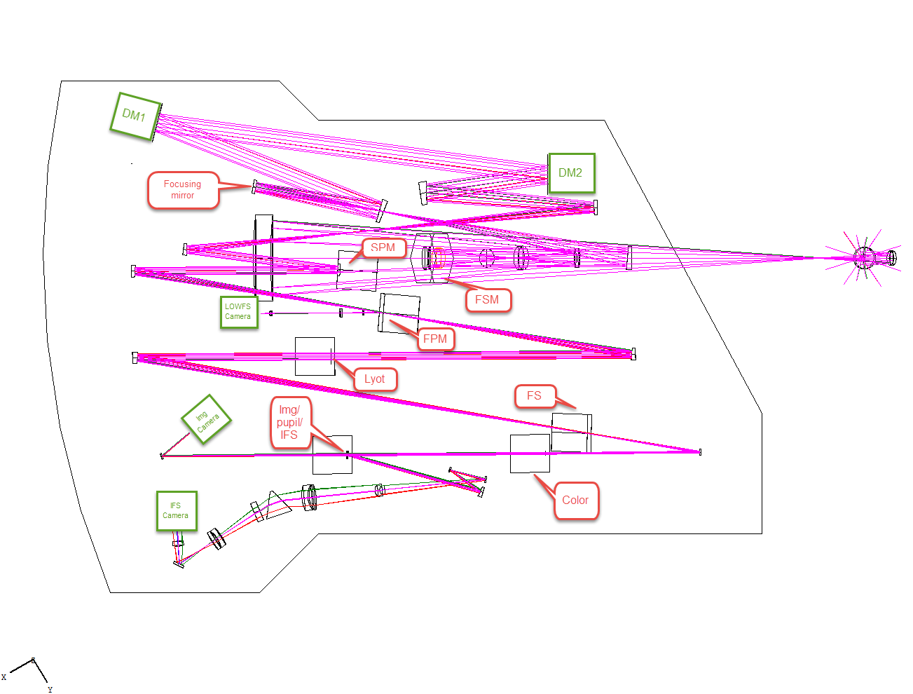
V6-8-0 | 2015-09-23

Coatings
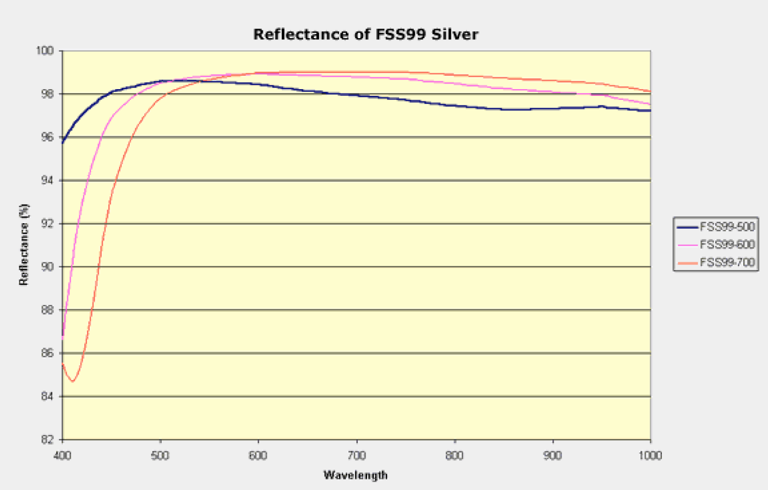
From Manufacturer | Our Guess Desgin of FSS99-600

